CoEL Early Years
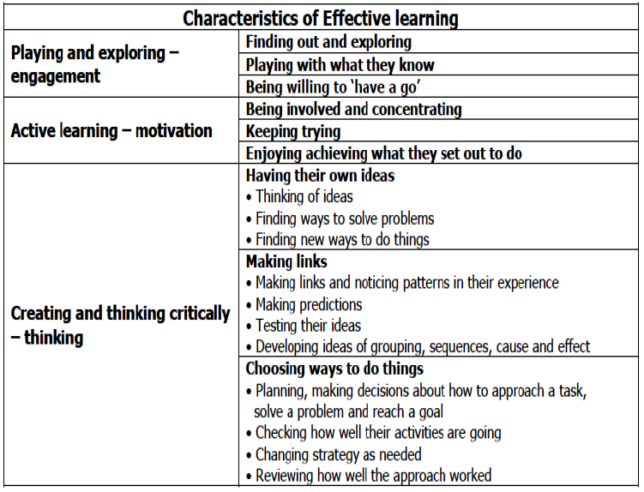
Using this document
On the next sheet, the key maths content for EYFS is detailed, starting with overall descriptors for key content domains (number and shape, space & measure), general descriptions of age-related expectations in key sub-domains (e.g. cardinality & counting, comparison, pattern) and finally key outcomes that underpin these. Hover over the cells with the red marker to see the content contained in the comments; a word version is available.
The intention is that assessment is holistic rather than a series of (often unrelated) specific outcome measures that may provide less robust evidence over time. The characteristics of effective learning are integral across all of the prime and specific areas of learning and your handover must take account of these as well as the content set out on the spreadsheet. As the purpose of this document is to provide handover information to the next teacher after the COVID-19 lockdown, accurate assessment of specific outcomes will not have been possible for some time and is unlikely to be possible before the end of the academic year for some children. It will be more useful to have an overall picture of a child's strengths and weaknesses in key domains and sub-domains and as a learner.
While the detail of key outcomes is provided to assist teachers, the grid should at most be used to provide RAG ratings (e.g. emerging, expected, exceeding) for the sub-domains (e.g. comparison or pattern) and handover discussions should aim to highlight areas of strength or weakness where a child is not working at ARE to inform overall understanding.
Please note that Y1 sub-domains match those for Reception to support continuity and focus on key early number ideas.

MHoM and introduction Y1-Y6
From the introduction to the mathematics programme of study in the national curriculum:
"Mathematics is an interconnected subject in which pupils need to be able to move fluently between representations of mathematical ideas. The programmes of study are, by necessity, organised into apparently distinct domains, but pupils should make rich connections across mathematical ideas to develop fluency, mathematical reasoning and competence in solving increasingly sophisticated problems. They should also apply their mathematical knowledge to science and other subjects."

Being a mathematician
When being mathematicians, learners need meaningful understanding of concepts (including mathematical language) and opportunities to discuss, develop, reason through and apply these ideas to solve problems.
While the national curriculum expresses this in the introduction and its three aims (fluency, reasoning, problem solving), the structuring of the content knowledge and skills by year and domain can distract from these when planning learning and assessing learners.
With the introduction of the vertical reasoning strand, based on mathematical habits of mind, future iterations of this document will include criteria for assessing learners' mathematical thinking.
In the interim and for the purposes of handover this year, consider how well individual learners can:
- independently solve novel problems
- explain and justify their ideas and decisions
- persevere when a solution is not obvious
- reflect on their learning
It is suggested to use these competencies to RAG rate learners as mathematical thinkers.
e.g. Red = meets no criteria, Amber = meets 1 or 2 criteria, Green = meets 3 or all criteria
Using this document
On the successive sheets, the key content for each year group is detailed, starting with overall expectations for key content domains (e.g. number, geometry, measures etc.), general descriptions of age-related expectations in key sub-domains (e.g. cardinality & counting (Y1 only*), number & place value, shape & space) and finally some of the key EoY objectives that underpin these (N.B. not all EoY objectives are included and, as such, this document should not be the sole basis for planning). Hover over the cells with the red corner marker to see the content contained in the comments; a word version will be available for each year group.
*The Y1 sub-domains match those for Reception to support continuity and focus on key early number ideas.
The intention is that assessment is more holistic rather than a series of (often unrelated) specific outcomes that may provide less robust evidence over time. As the purpose of this document is to provide handover information to the next teacher after the COVID-19 lockdown, accurate assessment of specific outcomes will not have been possible for some time and is unlikely to be possible before the end of the academic year. It will be more useful to have an overall picture of a child's strengths and weaknesses in key domains and sub-domains and as a learner/mathematical thinker.
While the detail of EoY objectives is provided to assist teachers, the grid should at most be used to provide RAG ratings for the sub-domains (see below for suggested use) and handover discussions should aim to highlight areas of strength or weakness where a child is not working at ARE to inform overall understanding of DOYA. The Y2 sheet contains an additional column for each sub-domain to incorporate GDS outcomes from the Teacher Assessment Framework (TAF) to further assist teachers in arriving at a single RAG rating for each sub domain.
Suggested RAG rating: Red = definitely not got it, Amber = needs some more work, Green = definitely got it
Blue can be used for any area where teacher assessment is unsure (either due to lockdown or e.g. absence)

